Concept 1
Kano Model Template
Want more tools and templates? Visit https://upboard.io/

The Kano Model provides users with a method for analyzing customer expectations, needs, wants and requirements by diagramming them across 2 axes. One axis is total satisfaction with your output (be it a product, service or deliverable), while the other axis shows the extent to which you achieved your goals with the output. Based on an analysis of performance across these two axes, clients can be classified into one of three main segments: Delighted, Neutral, and Dissatisfied.
Delighters
Basic Needs
Dissatisfied
Fully Implemented
Satisfied
Consumer Needs | Implementation (Score between 1-5 with 1 being "done poorly by supplier" and 5 being "done very well by supplier") | Satisfaction (Score between 1-5, with 1 being "total dissatisfaction" and 5 being "total satisfaction") | Consumer Need Level ("Expected Need", "Normal Need", and "Exciting Need")
Consumer Need #1 | 2 | 5 | Normal
Consumer Need #2 | 3 | 4 | Normal
Consumer Need #3 | 5 | 2 | Exciting
Consumer Need #4 | 1 | 2 | Basic
Consumer Need #5 | 5 | 3 | Basic
Not Implemented
Consumer Need #6
Consumer Need #7
Consumer Need #8
Consumer Need #9
Consumer Need #10

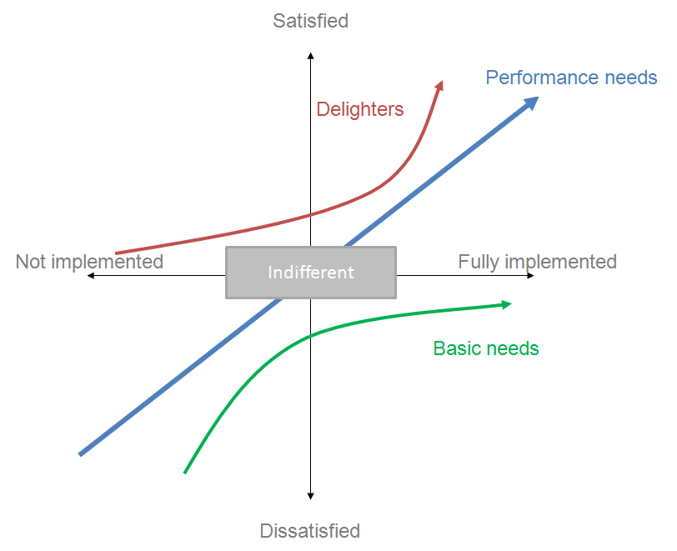

 | Source: Wikipedia Creative Commons

